Plan1
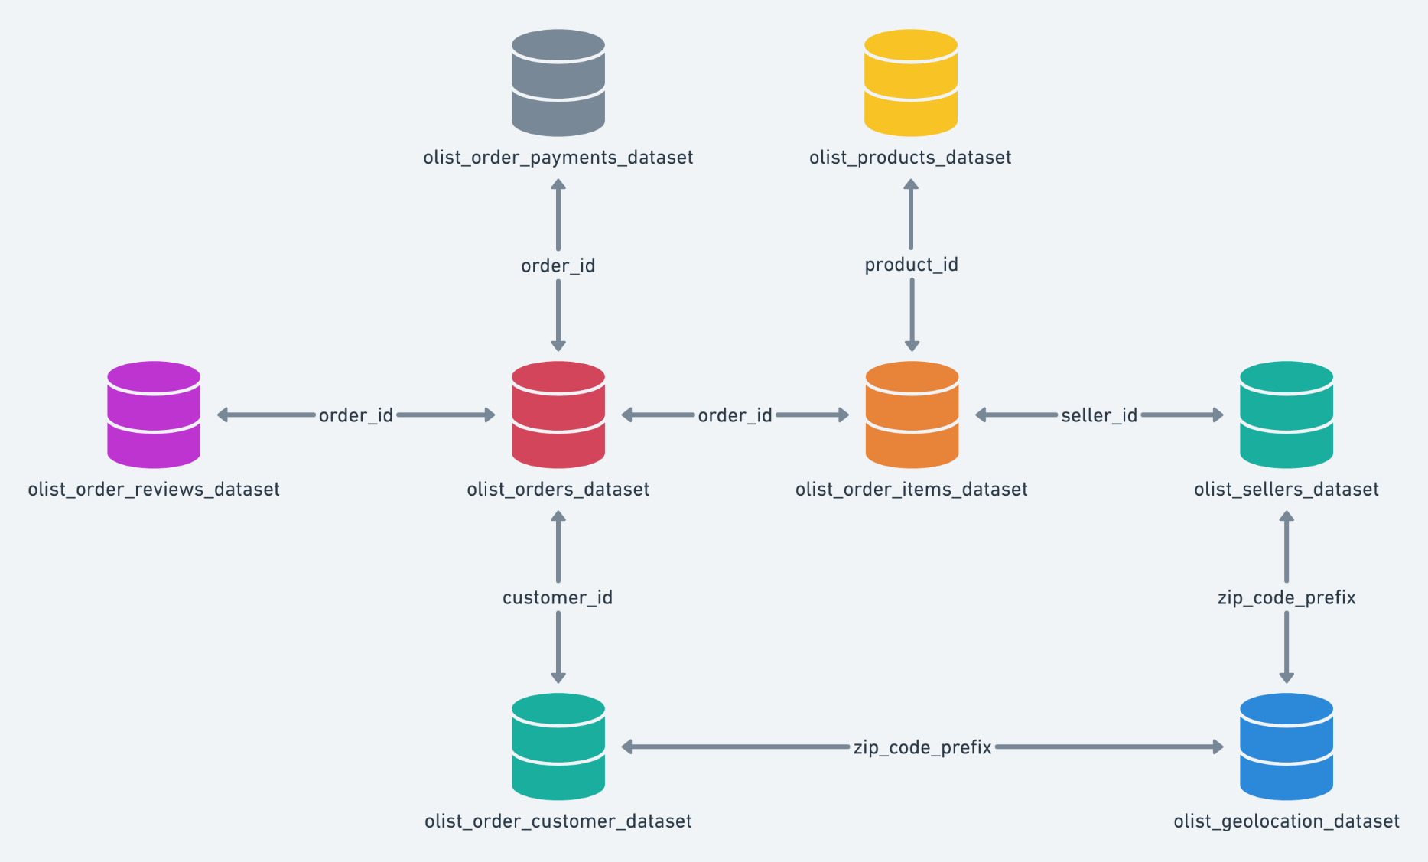
CUSTOMER | GEOLOCATION | ORDER_ITEMS | ORDER_PAYMENTS | ORDER_REVIEW_BACKUP | ORDER_REVIEW_SHORTS | ORDER_REVIEWS | ORDERS | PRODUCT_CATEGORY_NAME | PRODUCTS | SELLERS
customer_id | geolocation_zip_code_prefix | order_id | order_id | review_id | review_id | review_id | order_id | product_category_name | product_id | seller_id
customer_unique_id | geolocation_lat | order_item_id | payment_sequential | order_id | order_id | order_id | customer_id | product_category_name_english | product_category_name | seller_zip_code_prefix
customer_zip_code_prefix | geolocation_lng | product_id | payment_type | review_score | review_score | review_score | order_status |  | product_name_lenght | seller_city
customer_city | geologcation_city | seller_id | payment_installments | review_comment_title | review_comment_title | review_comment_title | order_purchase_timestamp |  | product_description_length | seller_state
customer_state | geolocation_state | shipping_limit_date | payment_value | review_comment_message | review_comment_message | review_comment_message | órder_approved_at |  | product_photos_qty
 |  | price |  | review_creation_date | review_creation_date | review_creation_date | order_delivered_carrier_date |  | product_weight_g
 |  | freight_value |  | review_answer_timestamp | review_answer_timestamp | review_answer_timestamp | prder_delivered_customer_date |  | product_length_cm
 |  |  |  |  |  |  | order_estimated_delivery_date |  | product_height_cm
 |  |  |  |  |  |  |  |  | product_width_cm

